Q2 - Benchmarking
Business Profile |  |  |  |  |  |  |  | Size |  |  | Profitability |  |  | Growth |  | Leverage
Company | Ticker | Business Models & Distribution Channels (IBISWorld, Google) | Industry Yahoo Finance - “Profile” | Sector Yahoo Finance - “Profile” | Geography & Markets (IBISWorld, Google) | Customer Types (IBISWorld, Google) | Maturity | Market cap ($b) Yahoo finance - "Statistics" - "Valuation Measures" | Enteprise Value ($b) Yahoo finance - "Statistics" - "Valuation Measures" | Total Assets ($b) Yahoo finance - "Financials" - "Balance sheet" | ROA Yahoo finance - "Statistics" - "Management Effectiveness" | ROE Yahoo finance - "Statistics" - "Management Effectiveness" | Profit Margin Yahoo finance - "Statistics" - "Profitability" | 3-year avg Revenue growth Yahoo finance - "Financials" - "Income Statement" - Total Revenue | 3-year avg Earnings growth Yahoo finance - "Financials" - "Income Statement" - Diluted EPS | Debt/Equity Yahoo finance - "Statistics" - "Balance sheet"
JB Hi-Fi | JBH | Retailer of home entertainment products. Focuses on competitive pricing and wide range of electronics and music. Physical stores across Australia and New Zealand; Online sales through its website. | Retail | Consumer discretionary | Primarily in Australia and New Zealand. | Broad consumer base, from budget to high-end electronics and entertainment enthusiasts. | Mature | 8.57 | 8.83 | 3.88 | 10.69% | 29.24% | 4.40% | 4.65% | 25.64% | 43.39%
Harvey Norman | HVN
Nick Scali | NCK
Best Buy | BBY

What are the characteristics of each peer that make it similar to or different from JB Hi-Fi? Record your observations in bullet points.
Harvey Norman:
Nick Scali:
Best Buy:

 |  |  |  |  |  |  |  |  |  | https://au.finance.yahoo.com/quote/HVN.AX/key-statistics

 |  |  |  |  |  |  |  |  |  | https://www.ibisworld.com/au/company/harvey-norman-holdings-ltd/3662/

In-Class Activity - Valuation
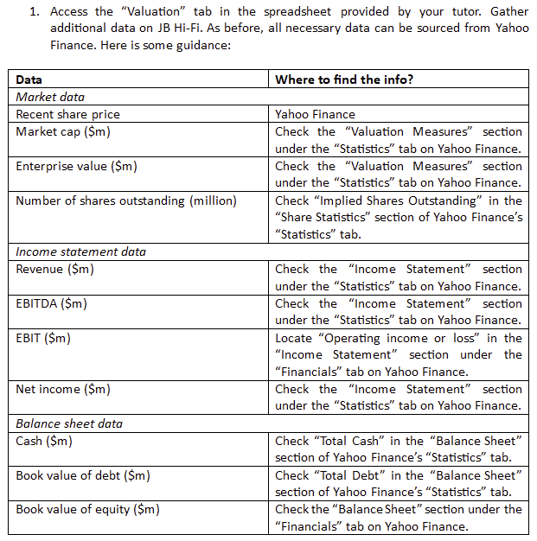
Part 1. Data collection | As of: 13/3/2026

 | Target | Comparables
 | JB Hi-Fi | Harvey Norman | Nick Scali | Best Buy
Recent share price ($) [10/3/2025] | 76.54 | 5.14 | 15.95 | 62.60 | Market data
Market cap ($m) | 8,570 | 6,430 | 1,380 | 17,260
Enterprise Value ($m) | 8,830 | 8,510 | 1,620 | 15,510
Number of shares outstanding (m) | 109.33 | 1,246.01 | 85.53 | 211.40
Revenue ($m) | 10,554.80 | 4,121.47 | 495.28 | 41,528.00 | Income statement data
EBITDA ($m) | 925.90 | 1,062.57 | 157.49 | 2,212.00
EBIT ($m) | 670.40 | 808.24 | 104.24 | 1,346.00
Net income ($m) | 462.40 | 518.02 | 57.68 | 927.00
Cash ($m) | 284.10 | 279.30 | 100.99 | 1,868.00 | Balance sheet data
Book value of debt ($m) | 714.40 | 2,293.85 | 316.14 | 4,053.00
Book value of equity ($m) | 1,616.60 | 4,802.94 | 266.68 | 2,808.00

Note: 1) Assume book value of debt & market value of debt are equal. 2) Use the most current data for JB Hi-Fi even though the other data will not be current

Part 2. Valuation using equity multiples |  |  |  |  | Hint: use the "market cap" version
Multiple |  | Harvey Norman | Nick Scali | Best Buy
Price/Earnings |  | 12.41 | 23.93 | 18.62 | Market cap/Net income or Price/EPS
Price/Book |  | 1.34 | 5.17 | 6.15 | Market cap/Book value of equity or Price/BV of Equity per share
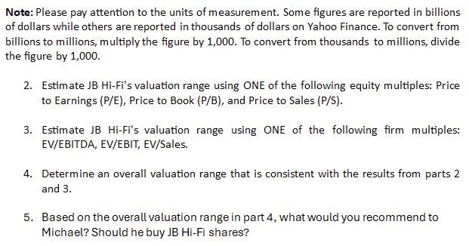
Price/Sales |  | 1.56 | 2.79 | 0.42 | Market cap/Revenue or Price/Revenue per share

Using P/E:
Implied market cap of JB Hi-Fi |  | 5,739.65 | 11,063.74 | 8,609.52 | P/E multiple of comparable * Net income of JB Hi-fi
Implied share price of JB Hi-Fi |  | 52.50 | 101.19 | 78.75 | ^ / No of shares outstanding of JB Hi-fi

Using P/B:
Implied market cap of JB Hi-Fi |  | 2,164.24 | 8,365.55 | 30,099.80 | P/B multiple comparable * Book value of equity of JB Hi-fi
Implied share price of JB Hi-Fi |  | 19.79 | 76.51 | 275.30 | ^ / No of shares outstanding of JB Hi-fi

Using P/S:
Implied market cap of JB Hi-Fi |  | 16,466.80 | 29,408.69 | 4,386.82 | P/S multiple comparable * Revenue of JB Hi-fi
Implied share price of JB Hi-Fi |  | 150.61 | 268.98 | 40.12 | ^ / No of shares outstanding of JB Hi-fi

Valuation range
Multiple | Min | Max | Mid-point |  | Use the Min, Max & Average functions
Price/Earnings | 52.50 | 101.19 | 77.48
Price/Book | 19.79 | 275.30 | 123.87
Price/Sales | 40.12 | 268.98 | 153.24

Part 3. Valuation using firm multiples
Multiple |  | Harvey Norman | Nick Scali | Best Buy | Use the info from the data table at the top to calculate the multiple for each comparable firm
EV/EBITDA |  | 8.01 | 10.29 | 7.01
EV/EBIT |  | 10.53 | 15.54 | 11.52
EV/Sales |  | 2.06 | 3.27 | 0.37

Using EV/EBITDA:
Implied EV of JB Hi-Fi |  | #VALUE! | 9,524.09 | 6,492.18 | EV/EBITDA of comparable * EBITDA of JB Hi-Fi
Implied Equity of JB Hi-Fi |  | #VALUE! | 9,093.79 | 6,061.88 | Implied EV + Cash (JB Hi-Fi) - Debt (JB Hi-Fi)
Implied share price of JB Hi-Fi |  | #VALUE! | 83.17 | 55.44 | Implied Equity/No of shares outstanding of JB Hi-Fi

Using EV/EBIT:
Implied EV of JB Hi-Fi |  | 7,058.71 | 10,419.23 | 7,725.04 | EV/EBIT of comparable * EBIT of JB Hi-Fi
Implied Equity of JB Hi-Fi |  | 6,628.41 | 9,988.93 | 7,294.74 | Implied EV + Cash (JB Hi-Fi) - Debt (JB Hi-Fi)
Implied share price of JB Hi-Fi |  | 60.63 | 91.36 | 66.72 | Implied Equity/No of shares outstanding of JB Hi-Fi

Using EV/Sales:
Implied EV of JB Hi-Fi |  | 21,793.54 | 34,523.24 | 3,942.04 | EV/Sales of comparable * Sales revenue of JB Hi-Fi
Implied Equity of JB Hi-Fi |  | 21,363.24 | 34,092.94 | 3,511.74 | Implied EV + Cash (JB Hi-Fi) - Debt (JB Hi-Fi)
Implied share price of JB Hi-Fi |  | 195.39 | 311.82 | 32.12 | Implied Equity/No of shares outstanding of JB Hi-Fi

Valuation range
Multiple | Min | Max | Mid-point |  | Use the Min, Max & Average functions
EV/EBITDA | #VALUE! | #VALUE! | #VALUE!
EV/EBIT | 60.63 | 91.36 | 72.90
EV/Sales | 32.12 | 311.82 | 179.78

Part 4. Overall valuation range

Part 5. Recommendation

